TestSummary
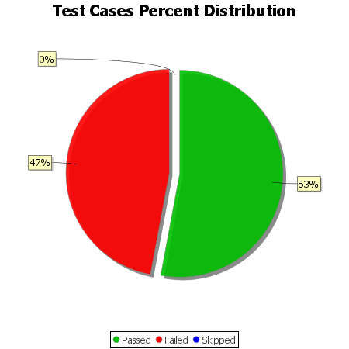
Total Test Cases | 34
Test Cases Passed | 18
Test Cases Failed | 16
Test Cases Skipped | 0

